cafe
No | CUISINE | ASSOCIATE CUISINE | ORGANISATION | ADDRESS | LOCATION | STATE | POSTCODE | PHONE | MOBILE | FAX | EMAIL | WEBSITE | SCRAPED PROFILE LINK
1 | Cafe | Coffee and Tea, Modern Australian, Café Food | Gourmet Girl | 21 Salisbury Avenue | Blackburn | Victoria |  | (03) 9894 8417
2 | Cafe |  |  |  |  | Victoria
3 | Cafe |  |  |  |  | Victoria
4 | Cafe |  |  |  |  | Victoria
5 | Cafe |  |  |  |  | Victoria
6 | Cafe |  |  |  |  | Victoria
7 | Cafe |  |  |  |  | Victoria
8 | Cafe |  |  |  |  | Victoria
9 | Cafe |  |  |  |  | Victoria
10 | Cafe |  |  |  |  | Victoria
11 | Cafe |  |  |  |  | Victoria
12 | Cafe |  |  |  |  | Victoria
13 | Cafe |  |  |  |  | Victoria
14 | Cafe |  |  |  |  | Victoria
15 | Cafe |  |  |  |  | Victoria
16 | Cafe |  |  |  |  | Victoria
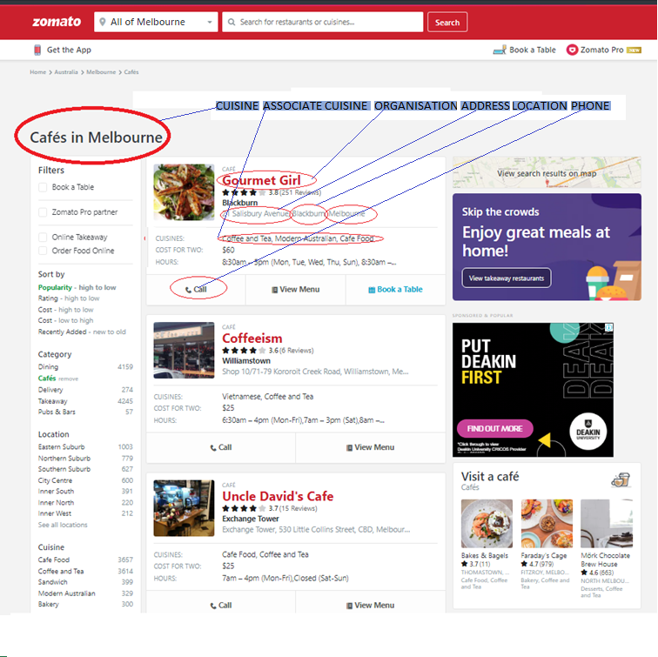
17 | Cafe |  |  |  |  | Victoria
18 | Cafe |  |  |  |  | Victoria
19 | Cafe |  |  |  |  | Victoria
20 | Cafe |  |  |  |  | Victoria

